Bug Report
Simple Gallary System
Bug Report
Category | Label | Value
Bug ID | Bug ID Number | BUG-001-CSRF-TOKEN
 | Reporter Name | Victor Kipngetich
 | Assigned Developer | Victor Kipngetich
 | Submit Date | 2024-10-14
 | Due Date | 2024-10-30
Bug Overview | Summary | Issue: i) After entering valid credentials and clicking "Login," the page refreshes without logging in the user. Details: ii) The user remains on the login page with no error messages. ii) No session or authentication token is created. ii) The expected redirection to the dashboard does not occur. Impact: This issue prevents users from accessing the system, leading to frustration and potential loss of productivity.
 | URL | http://localhost/gallery/login.php
 | Attached Screenshot | 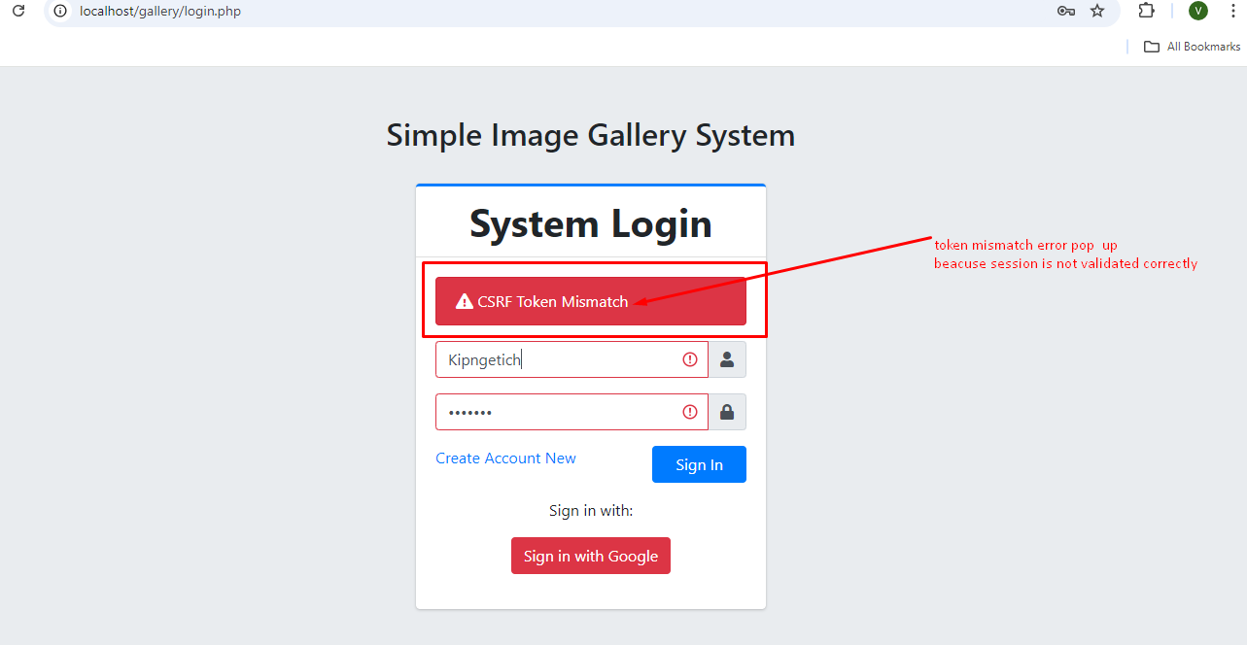
Environment | Platform | Hp EliteBook Laptop
 | Operating System | Windows 11 Pro
 | Browser | Chrome 118
Bug Details | Steps to Reproduce | Open the site in Chrome browser. Enter valid login credentials. Click the login button
 | Expected Results | 1) The user should be successfully logged in. 2) The system should redirect to the designated home landing page. 3) A session or authentication token should be initiated.
 | Actual Results | 1) The user remains on the login page. 2) Error messages /feedback are displayed. 3) The user is not logged in
Bug Tracking | Severity | Major
 | Priority | High
Notes | Cause: Possible session handling issue, authentication API failure ,missing CSRF token. Impact: Users are unable to log in, causing service disruption and preventing access to key system functions.

